Roles
Sales
Production Manger
Owner
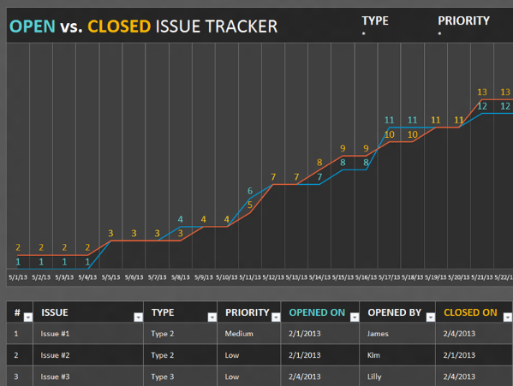
Managing Director |  |  | Production Management
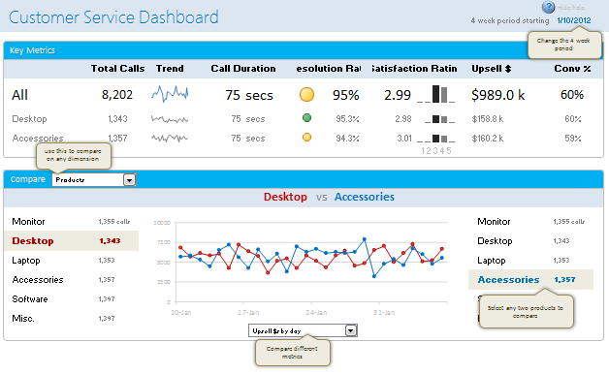
Office Manager
Account Manager
Producer
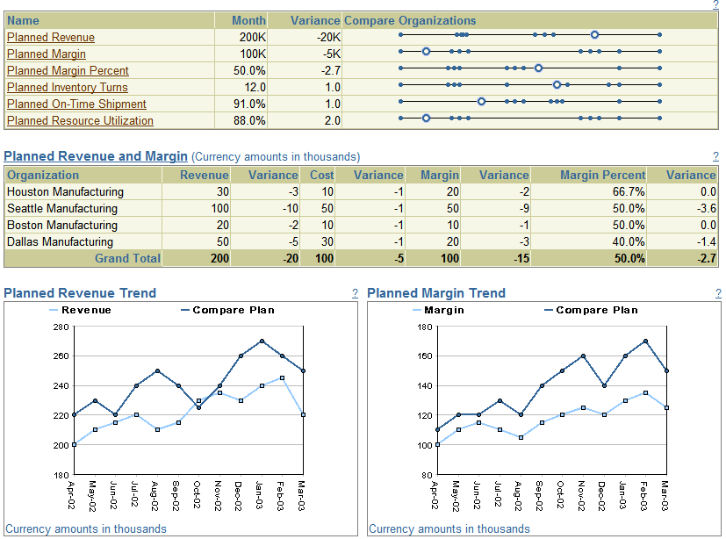
Script writer
Creative lead
Anamation lead
Editor lead
Intern
Bookkeeper
Client
 |  |  |  |  |  |  | IT
 |  |  |  |  |  |  | Issue Tracker
 | Profit dashboard (Stackolders) |  | Customer Dashboard (CRM) | Capacity Dashboard ( KPI {Capacity}) |  |  | Repository
 | Cost |  | Repeat custmers | KPI |  |  | Use Case
Internal Budget
Internal Budget
 | Profit |  | Net new | PI's |  |  | Database
 | Retention |  | Testimonals | Metrics |  |  | Analisis
 | Social Good |  | Happyness | Targets |  |  | Loglic
 | Growth |  | Activity | Trends |  |  | Application

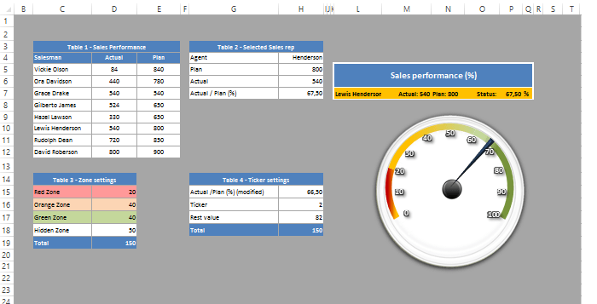
 |  |  | Producer
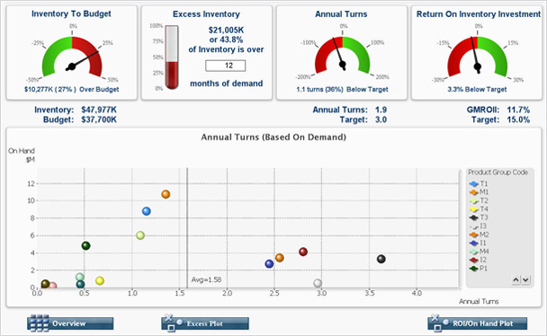

Internal Budget
48000
Internal Budget
12000
 |  | Inventory Tracker |  |  |  | Capacity Tracker

 |  | Gamefication |  |  | Gamefication
 |  | Use Case |  |  | Roadmap
 |  | Lerning Plateform |  |  | Lesson Plan

Proudction Managment Cycle
Production Management Cycle

 | Daily and Weekly Anlytics
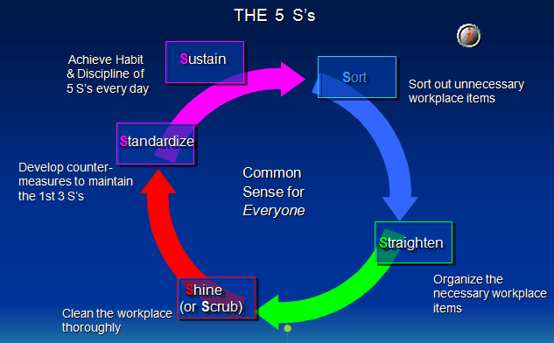
 | KPI's | Capacity ($ and % ($6000, 80%)) | Time to complete one | time to complete 4 | time to complete 8
 | PI's |  | Deffrent Project Templetes | Tending Project Templetes | Most profitable Project templates | Most Efficiant Project templates
 | Metrics | Project Value | Project # | number of new contacts a week | number of activitys a week | number of emails a week | number of calls a week | number of appointments a week
 | Targets | 2 mil revenue | lower cost by 25% 35% then 50% | Populate CRM
 | Trends | last year data | last Qurter data | last Project Data

 | Questions
 |  | How many hours of intern work do you need to free up payed employees? |  |  | Variable Cost Control Method 1
 |  | What task can an intern do to help their sioners? |  |  | Hard number
 |  | How many task need to be complete in Each workflow of each video type? |  |  | Hard number
 |  | How many hours of producer work do you need to complete 1 project/ 2 projects/ 3 project ? |  |  | do a statistical analyisis and us Stardered Deviation
 |  | How many hours of Writer work do you need to complete 1 project/ 2 projects/ 3 project ? |  |  | do a statistical analyisis and us Stardered Deviation
 |  | How many hours of Anamator work do you need to complete 1 project/ 2 projects/ 3 project ? |  |  | do a statistical analyisis and us Stardered Deviation
 |  | What issue slow down production? |  |  | Add issue Tracker
 |  | What are the skills needed to solve each issue?
 |  | What are the Task need to solve issue?
 |  | What is the level of skill need to solve each task? |  |  | Variable Cost Control Method 1
 |  | What Learning Path can we create to teach others to solve Common issues? |  |  | Start with the most common issues and work your way down the list?

Production Cycle
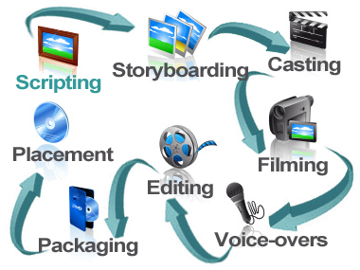
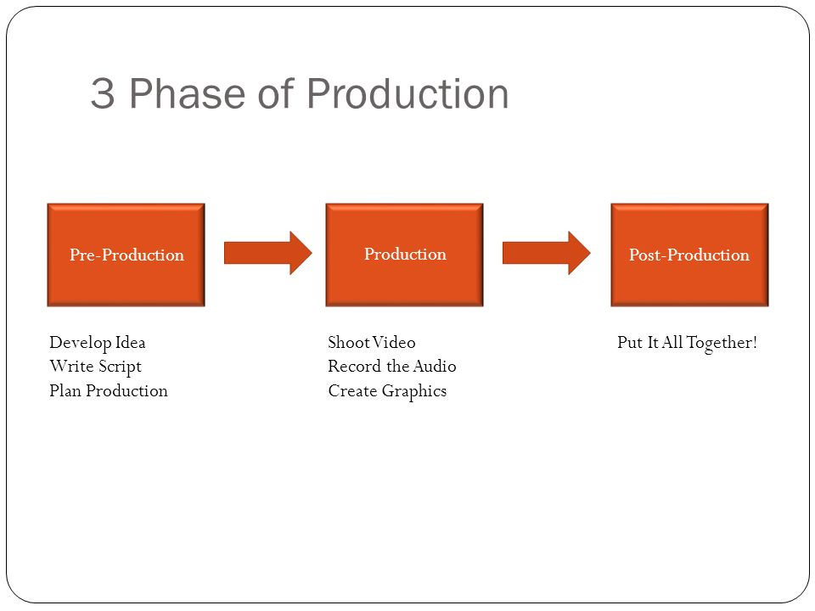
Production Cycle
Pre-Production
Scripting
Storyboarding
Casting
Production
Filming
Post-Production
Voice-overs
Editing
Packaging
placement

Project Cycle

Project Management
initiating Process
Planning Process
Executing Process
monitoring & controlling Process
closing process

